Trade Instruction
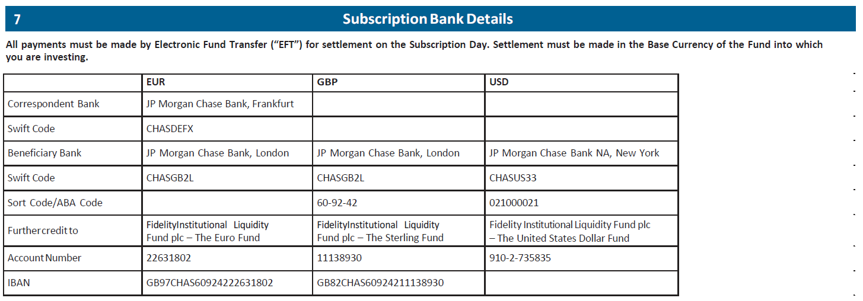
FIDELITY INSTITUTIONAL LIQUIDITY FUND PLC - TRADE INSTRUCTION

Fax to ILF Dealing Team: + 353 1 686 9248

Email ILF Dealing team: ireland.ta.email.dealing@jpmorgan.com

Trade Date

Account Number

Account Name

Account Designation

Transaction Type

Fund & Share Class

Units

Amount in Numbers |  | Minimum trade value must be 10,000 unless you are fully liquidating your account

Amount in Words

 | Authorised Signature |  | Authorised Signature

In case of a query regarding this trade instruction, please contact
 |  |  |  | Contact name and telephone number

If you have any questions or queries in relation to the ILF, please contact the ILF Dealing team at Fidelity.Transfer.Agency@Jpmorgan.com or call +353 1 612 3347

